Sheet1
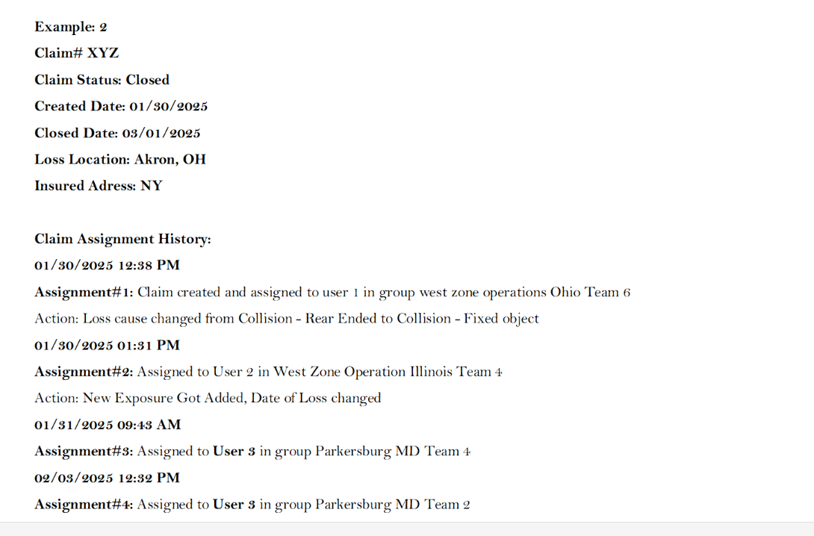
Claims processing data

 |  | Current data structure in guidewire |  |  |  |  |  |  | Data Enrichment (To be extracted from Description
 |  | Date | Change type | Type of change | Related to | User | Time stamp | Description | User assigned to | Reason for reassignment
 | 123 | 2026-01-30 | Assigned | Viewed/flagged/activity escalation/assigned | Entire claim or particular exposure | CCC | 12:58:00 | Loss cause change, User assigned in group A etc,. | A |  | 15
 | 123 | 2026-02-07
 | 123 | 2026-02-01
 | 123
 | 123
 | 123
 | 123 |  | Data change
 | 123 |  | Assigned

 |  | Manual change - may have 2 recoords (data change, assigment) - filter for assigned

 |  | Filter for | Assigned only, Entire claim

